Bug reports
ID | Summary | Severity | Pre-conditions | Description | Attachment | Environment
1 | The buttons' color is not in accordance with mockup. | Trivial | -Note's buckup copy has been already created, password has been set -Russian language has been selected - The app Red Note is opened | STR : 1. Go to the screen "Настройки"; 2. Select the "Резервная копия" section from the list; 3. Select any copy from the list; 4. Pay attention to the color of the "Да" button; 5. Back to the "Настройки" menu; 6. Select "Пароль" from the list; 7. Click the "Изменить пароль" button; 8. Enter the current password; 9.Pay attention to the color of the "Установить" button. Actual result : The "Да" and "Установить" button is grey. Expected result: The "Да" and "Установить" button is green. | 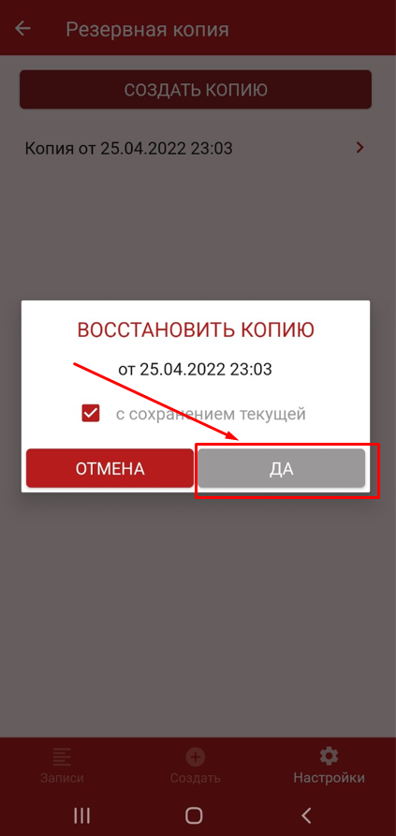 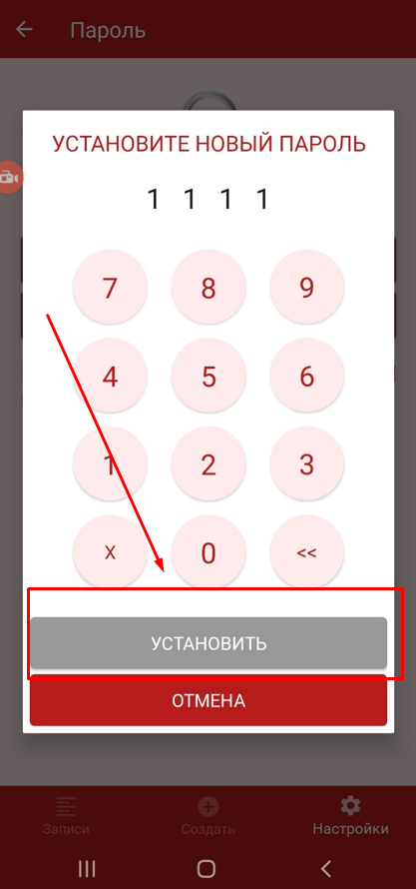 | Samsung galaxy a50 Android 11
2 | Note's creation date contains the grammatical error. | Trivial | The app Red Note is opened | STR : 1. Change the date on the phone two days earlier (to the day before yesterday); 2. Create a note; 3. Return the current date on the phone; 4. Go to the notes ; 5. Pay attention to the inscription of the time the note was created. Actual result : Note's creation date contains grammatical error. Expected result : Note's creation date is correct. | 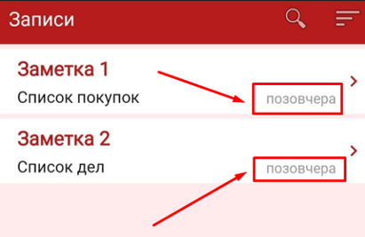 | Samsung galaxy a50 Android 11
3 | The text goes beyond the bounds of the allocated area. | Trivial | -Russian language has been set - The app Red Note is opened | STR : 1. Open the "Настройки" page; 2. Open the "Масштаб" section; 3. Select "Крупный"; 4. Return to the "Настройки" menu; 5. Open the "O приложении" section; 6. Pay attention to the "Поделиться приложением" and "Политика конфиденциальности" section. Actual result : The text goes beyond the bounds of the allocated area. Expected result : The text does not go out of bounds. | 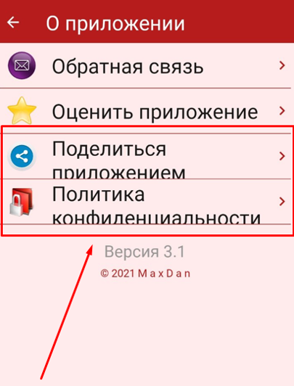 | Samsung galaxy a50 Android 11
4

